GUI Requirements
GUI Requirements "Luxor"

1. Header must have main features:
- Site logo
- Sign in
- Connect (drop-down list)
- PC Games (drop-down list)
- Online Games (drop-down list)
- Jewel Quest
- Search Games (textbox)
- Search (button)
- Download Games Home » Luxor: Quest For The Afterlife

1.1. Drop-down list "Connect" must have:
- iWib Blog
- Facebook
- Forums
- Hotel iWin
- Customer Support
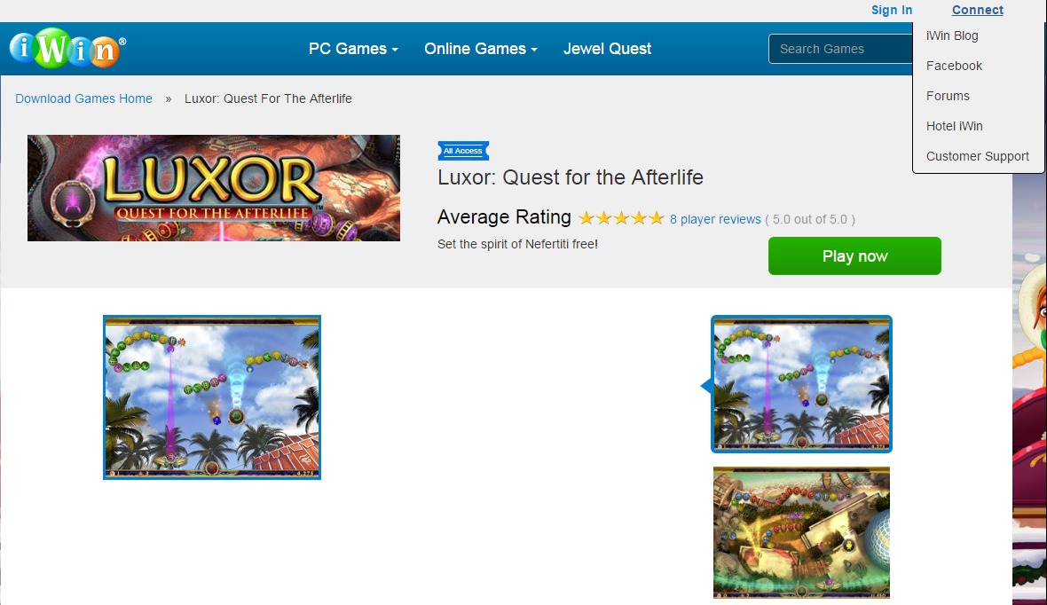

1.2. Drop-down list "PC Games" must have:
- New Games
- Most Popular
- All Access
- Steals & Deals
- Premium Games
- Free Games
Browse by Genre
- Hidden Object
- Adventure
- Match 3
- Puzzle
- Time Management
- Arcade/Strategy
- Card/Board
- Word/Game Show
- Poker/Casino

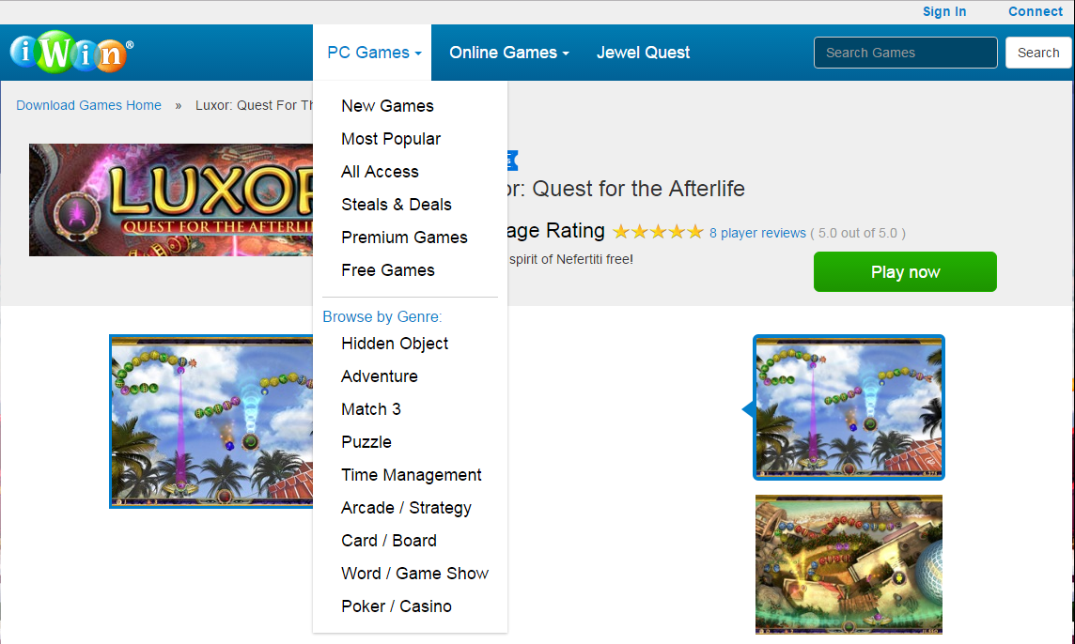

1.3. Drop-down list "Online Games" must have:
- Most Popular
- New
- Match 3
- Solitaire
- Puzzle
- Casino
- Word
- Arcade
- Card
- Sports

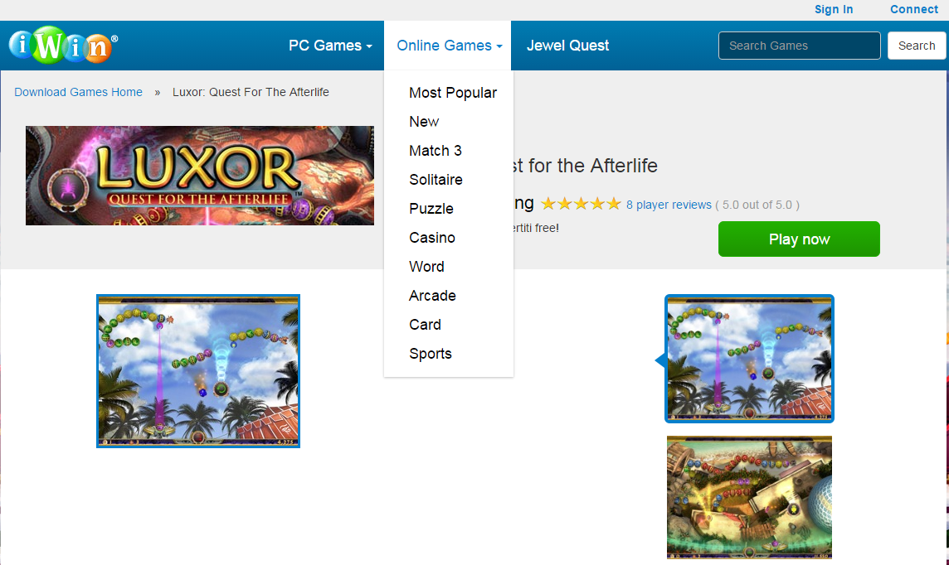

2. Content must have:
- Site logo
- Sign in
- Connect (drop-down list)
- PC Games (drop-down list)
- Online Games (drop-down list)
- Jewel Quest
- Search Games (textbox)
- Search (button)
- Download Games Home » Luxor: Quest For The Afterlife

2. Content must have:
- Picture of the game logo
- Name of the game
- Game Rating
- The right of the Rating button Play now
- 3 screenshots of the game in the right part of the site (when you click on that, there is an enlarged screenshot on the left side of the site)
- 1 enlarged screenshot of the game on the left side of the site (changed by clicking on the screenshots on the right side of the site)
- A text description of the game
- Under the text description button I Play now
- User reviews rated

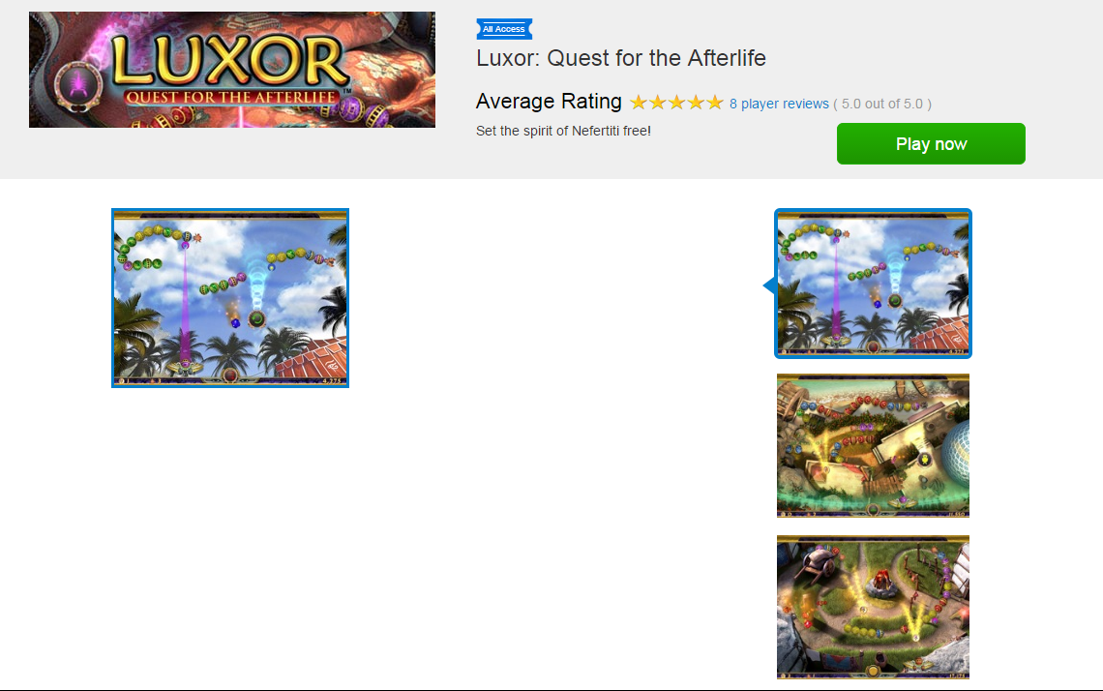

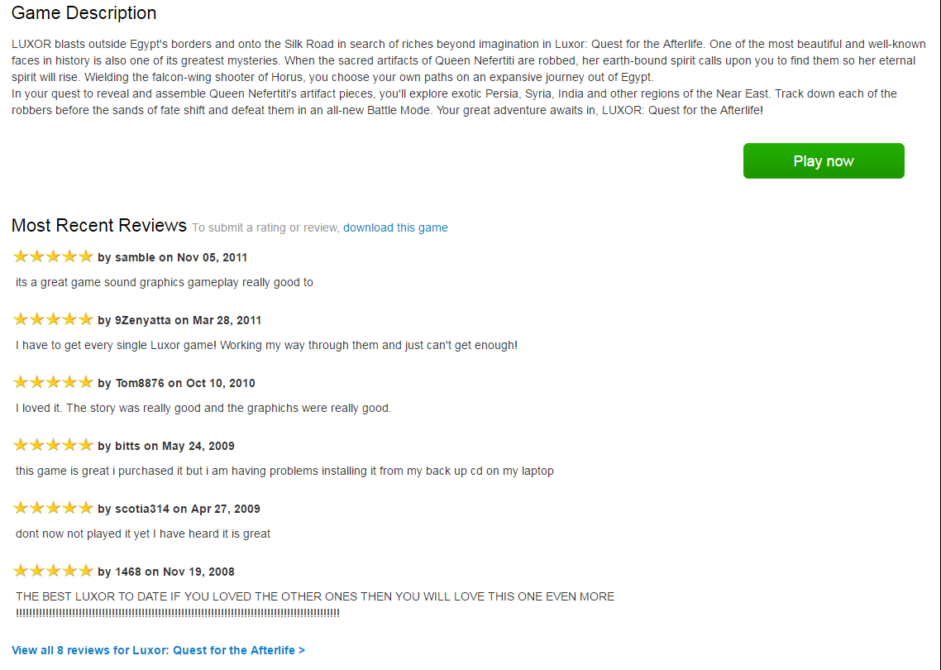

3. Footer must have:
ABOUT IWIN.COM
- Company Info
- Contact Us
- Site Map
- Privacy Policy
- Terms of Service
- Guaranteed Safe and Secure Download
WORK WITH US
- Advertisers
- Developers
- Careers
CONNECT
- iWin Blog
- Facebook
- iWin.com Newsletter: Get the latest updates about games from iWin.com in your inbox.
- Enter email address (text box)
- Submit (button)
SUPPORT
- Customer Support and FAQs
- © 2007 - 2016 iWin, Inc. Trademarks are the property of their respective owners. All Rights Reserved.
- Picture "Secure".
- Picture "Norton Secured"

